Final Inspection
SUMMARY FINAL INSPECTION |  |  |  |  |  |  |  |  | min 1 pcs inspect
Buyer | KP | STYLE | PO | Color | Qty Order | Total Qty Order | Final Inspection Qty | Total Qty Inspect | FI? | Defect FI | defect detail FI | ETD | Selisih Hari | Output | Defect Output | Progress Output | Remark | P/R?
ADIN | AD40001838 | NUG167 | 4512211838 | CYAN | 5 | 10 | 4 | 4 | v | 1 | hole | 02/09/2026 | -5 | 10 |  | 100 | Final Completed | Reject
 |  |  |  | CORAL | 3 |  |  |  |  |  |  | 02/09/2026 | -5 |  |  |  | Final Completed | Reject
 |  |  |  | EMERALD | 2 |  |  |  |  |  |  | 02/09/2026 | -5 |  |  |  | Final Completed | Reject
ADIN | AD04015706 | NUG167 | 990825090123 | BLACK | 5 | 5 | 1 | 2 | v | 0 |  | 03/09/2026 | -4 | 5 |  | 100 | Final Completed | Pass
ADIN |  | NUG167 | 990825090456 | BLACK | 5 | 5 | 1 |  | v | 0 |  | 03/09/2026 | -4 | 5 |  | 100 | Final Completed | Pass
TNF | TN40003184 | TN2521 | 990823184123 | CYAN | 5 | 5 |  | 1 | x |  |  | 08/09/2026 | 1 | 5 |  | 100 | PO Need Final | Not Final
TNF |  | TN2521 | 990823184456 | PEACH | 5 | 5 | 1 |  | v |  |  | 08/09/2026 | 1 | 5 |  | 100 | Final Completed | Pass
ADIN | AD40008129 | NUR20HO | 991380081292 | GREEN | 2 | 2 |  | 0 | x |  |  | 01/09/2026 | -6 | 2 |  | 100 | Overdue | Not Final
ADIN | AD40001389 | OTH493 | 709130001389 | GREY | 4 | 4 | 4 | 4 | v | 2 | B Grade, Incorrect color (C3) | 07/09/2026 | 0 | 4 |  | 100 | Final Completed | Reject
ADIN | AD40004951 | NUR20HO | 121380044952 | FUCHSIA | 2 | 2 |  | 0 | x |  |  | 09/09/2026 | 2 | 2 |  | 100 | PO Need Final | Not Final
ADIN | AD00008945 | NUR20HO | 2002189451 | NAVY | 2 | 2 |  | 0 | x |  |  | 08/09/2026 | 1 | 2 |  | 100 | PO Need Final | Not Final
ADIN |  | NUR20HO | 2002189452 | NAVY | 2 | 2 |  | 0 | x |  |  | 08/09/2026 | 1 | 2 |  | 100 | PO Need Final | Not Final
ADIN | AD04000871 | NUG167 | 990825090871 | S99250 | 2 | 2 |  | 0 | x |  |  | 10/09/2026 | 3 | 2 |  | 100 | PO Need Final | Not Final
ADIN | AD40002185 | CAHY0123 | 990825092185 | BQ4325 | 5 | 5 |  | 0 | x |  |  | 09/09/2026 | 2 | 5 | 2 | 100 | PO Need Final | Not Final
UQLN | UQL4002158 | UQLOTH | P3626-491312-158 | (S) 09 BLACK | 2 | 6 |  | 0 | x |  |  | 09/09/2026 | 2 | 2 |  | 33.33 | PO Need Final | Not Final
 |  |  |  | (M) 09 BLACK | 2 |  |  |  |  |  |  | 09/09/2026 | 2 |  |  |  | PO Need Final | Not Final
 |  |  |  | (L) 09 BLACK | 2 |  |  |  |  |  |  | 09/09/2026 | 2 |  |  |  | PO Need Final | Not Final
ADIN | AD40004877 | NUR20HO | 121380044878 | OLIVE | 2 | 2 | 2 | 2 | v | 2 | Hole (C8), Seam Puckering | 08/09/2026 | 1 | 2 |  | 100 | Final Completed | Reject
 |  |  |  |  | 57 | 57 | 13 | 13 |  | 5 |  |  |  | 53
 |  |  |  |  |  |  | PO Pass | PO Reject :
 |  |  |  |  |  |  | 3 | 3
Today : | 2026-09-07
Total PO | Total Qty Order | Total Qty Inspect | PO Need Final | Overdue | Final Completed | OQL | Passing Rate | Reject Rate
14 | 57 | 13 | 7 | 1 | 6 | 38.46 | 50.00 | 50.00
 |  |  |  |  |  |  |  |  |  |  |  |  | po final completed pass (final completed -po reject)
 | From: | To: |  |  |  |  |  |  |  |  |  |  | pembaginya po final completed
ETD | 2026-09-02 | 2026-09-02
GROUP BUYER
STYLE |  |  |  |  |  |  | PO Pass | PO Reject :
 |  |  |  |  |  |  | 3 | 3
 |  |  |  |  |  | Based on ETD→ | 0 | 1

Total PO | Total Qty Order | Total Qty Inspect | PO Need Final | Overdue | Final Completed | OQL | Passing Rate | Reject Rate
14 | 57 | 13 | 7 | 1 | 6 | 38.46 | 50.00 | 50.00
1 | 10 | 4 | 0 | 0 | 1 | 7.69 | 0.00 | 100.00 | ←Based on ETD

PO PRIORITY
No | PO No. | Buyer | Style | Article / Color | QTY Order (Pcs) | Output (Pcs) | Progress Output | ETD (Shipment Date) | Days to ETD | Status
1 | 990823184123 | TNF | TN2521 | CYAN | 5 | 5 | 100 | 08/09/2026 | 1 | Overdue
2 | 991380081292 | ADIN | NUR20HO | GREEN | 2 | 2 | 100 | 01/09/2026 | -6 | Overdue
3 | 121380044952 | ADIN | NUR20HO | FUCHSIA | 2 | 2 | 100 | 09/09/2026 | 2 | Need Final
4 | 2002189451 | ADIN | NUR20HO | NAVY | 2 | 2 | 100 | 08/09/2026 | 1 | Overdue
5 | 2002189452 | ADIN | NUR20HO | NAVY | 2 | 2 | 100 | 08/09/2026 | 1 | Overdue
6 | 990825090871 | ADIN | NUG167 | S99250 | 2 | 2 | 100 | 10/09/2026 | 3 | Need Final
7 | 990825092185 | ADIN | CAHY0123 | BQ4325 | 5 | 5 | 100 | 09/09/2026 | 2 | Need Final
8 | P3626-491312-158 | UQLN | UQLOTH | (S) 09 BLACK | 6 | 2 | 33.33 | 09/09/2026 | 2 | Need Final
 |  |  |  |  |  | 22
FINAL INSPECTION OVERVIEW |  |  |  |  | Total Output/Total Qty Order |  | Based on ETD
Status Final | PO (Count) | Total Qty Order | Total Qty Inspect | Total Output | Progress Output |  | Status Final | PO (Count) | Total Qty Order | Total Qty Inspect | Total Output | Progress Output
Pass | 3 | 15 | 3 | 15 | 100 |  | Pass | 0 |  |  |  | #DIV/0!
Reject | 3 | 16 | 10 | 16 | 100.00 |  | Reject | 1 | 10 | 4 | 10 | 100.00
Not Final | 8 | 26 | 0 | 22 | 84.62 |  | Not Final | 0 | 0 | 0 | 0 | #DIV/0! |  | 41
Total (P+R) | 6 | 31 | 13 | 31 | 200.00 |  | Total (P+R) | 1 | 10 | 4 | 10 | #DIV/0!
Total (All) | 14 | 57 | 13 | 53 | 284.62 |  | Total (All) | 1 | 10 | 4 | 10 | #DIV/0!

$=\frac{Total Qty Inspect (Pass/Reject)}{Total Qty Inspect (Pass + Reject)}$ x 100%
FINAL INSPECTION RESULT (QTY INSPECT) |  |  |  |  |  | TOP 5 DEFECTS (FINAL INSPECTION)
 |  |  | Pass | Reject |  | No | Kode Defect | Defect | Qty | % | Category
 |  |  | 23.08 | 76.92 |  | 1 | 103 | Incorrect color (C3) | 1 | 20.00 | Non Process
 |  |  |  |  |  | 2 | 101 | Hole (C8) | 2 | 40.00 | Non Process
FINAL INSPECTION RESULT (OQL-DEFECT RATE) |  |  |  |  |  | 3 | 201 | Seam puckering (C4) | 1 | 20.00 | Process
 |  |  |  |  |  | 4 |  |  |  | 0.00 | #N/A
 |  |  |  |  |  | 5 |  |  |  | 0.00 | #N/A
 |  |  |  |  |  | Others | 800 | B Grade | 1 | 20.00
 |  |  |  |  |  | Others | 900 | C Grade |  | 0.00
FINAL INSPECTION RESULT (QTY ORDER) |  |  |  |  |  |  |  |  | 5 | 100.00
$=\frac{Total Qty Order (Pass)}{Total Qty Order (All)}$ x 100%
 |  |  | Pass | Reject
 |  |  | 26.32 | 28.07
 |  |  |  |  |  | DEFECT BY CATEGORY (FINAL INSPECTION)
 |  |  |  |  |  |  | Process | Non Process
 |  |  |  |  |  | Total | 1 | 3
 |  |  |  |  |  | Persentase | 7.69 | 23.08

201

Sheet2
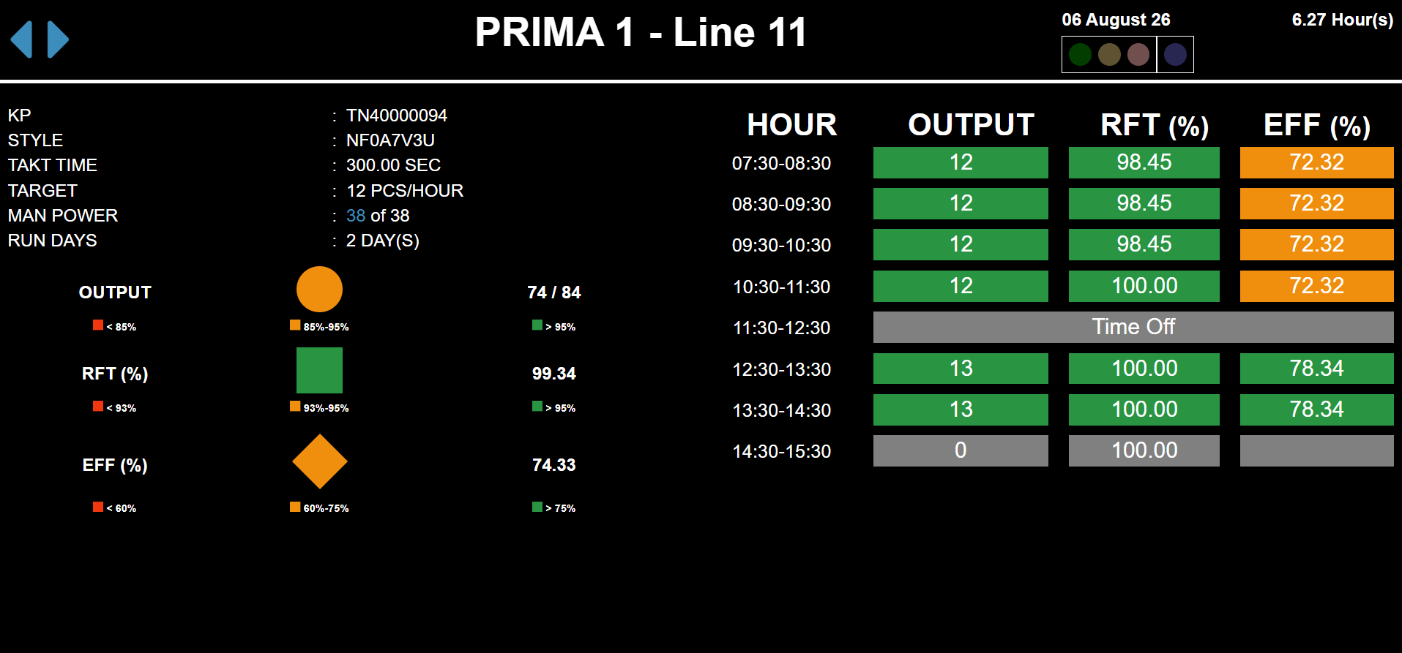

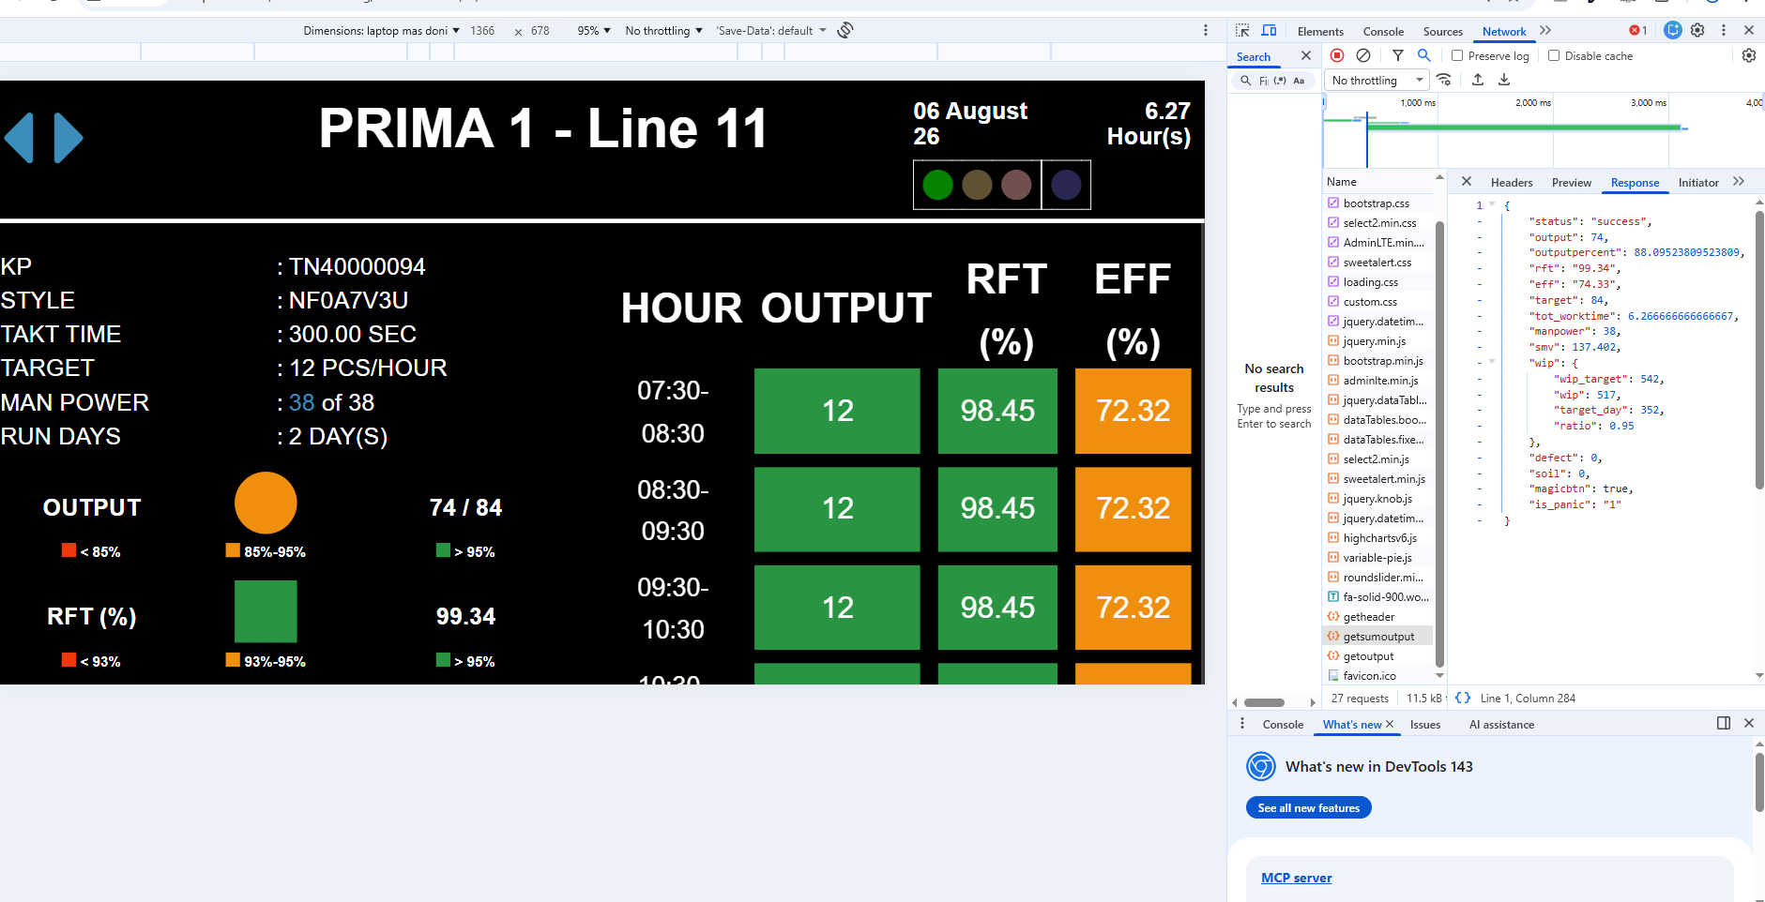

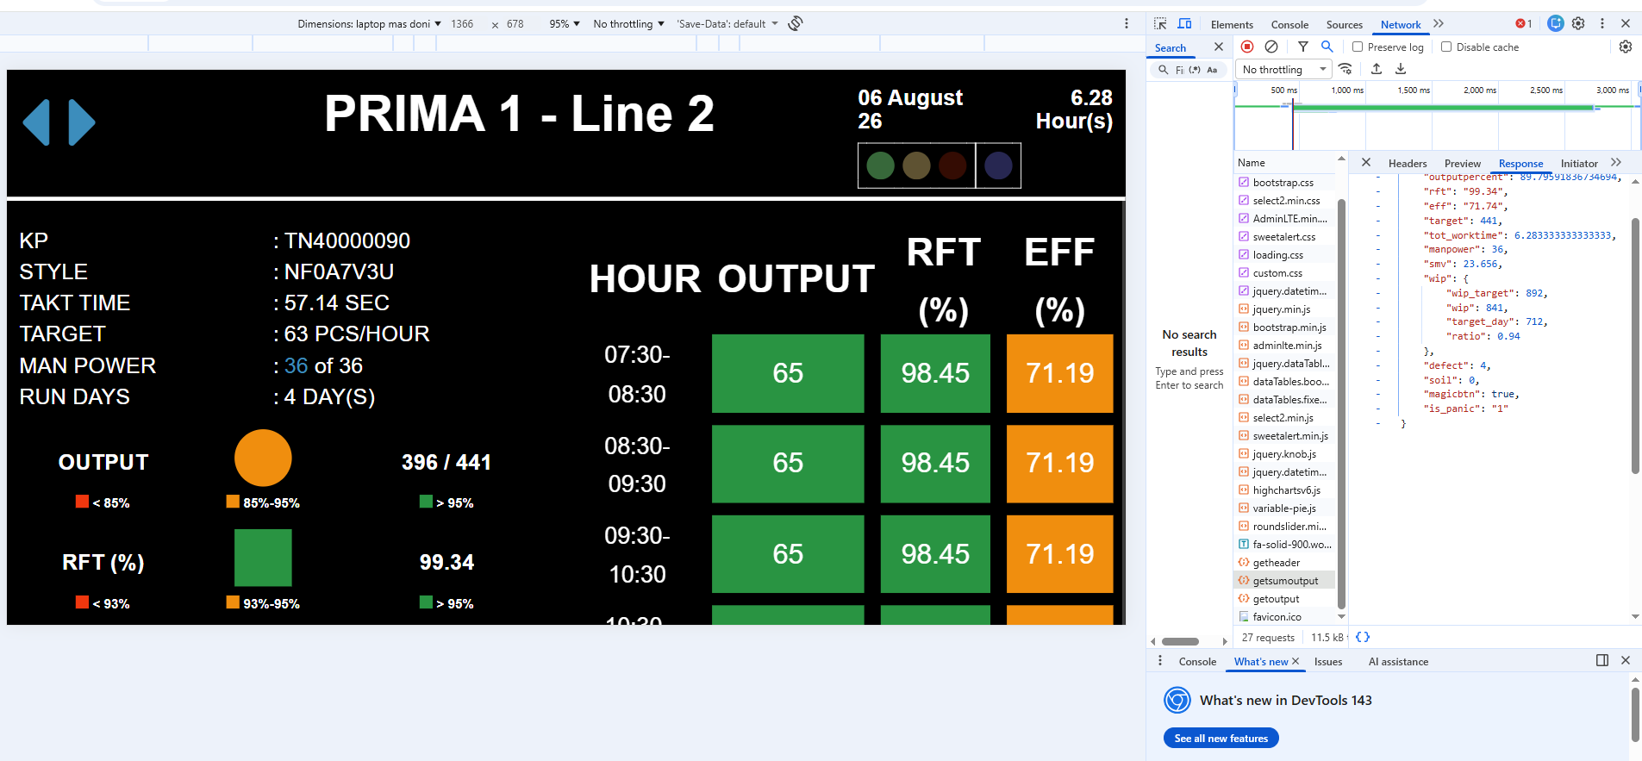

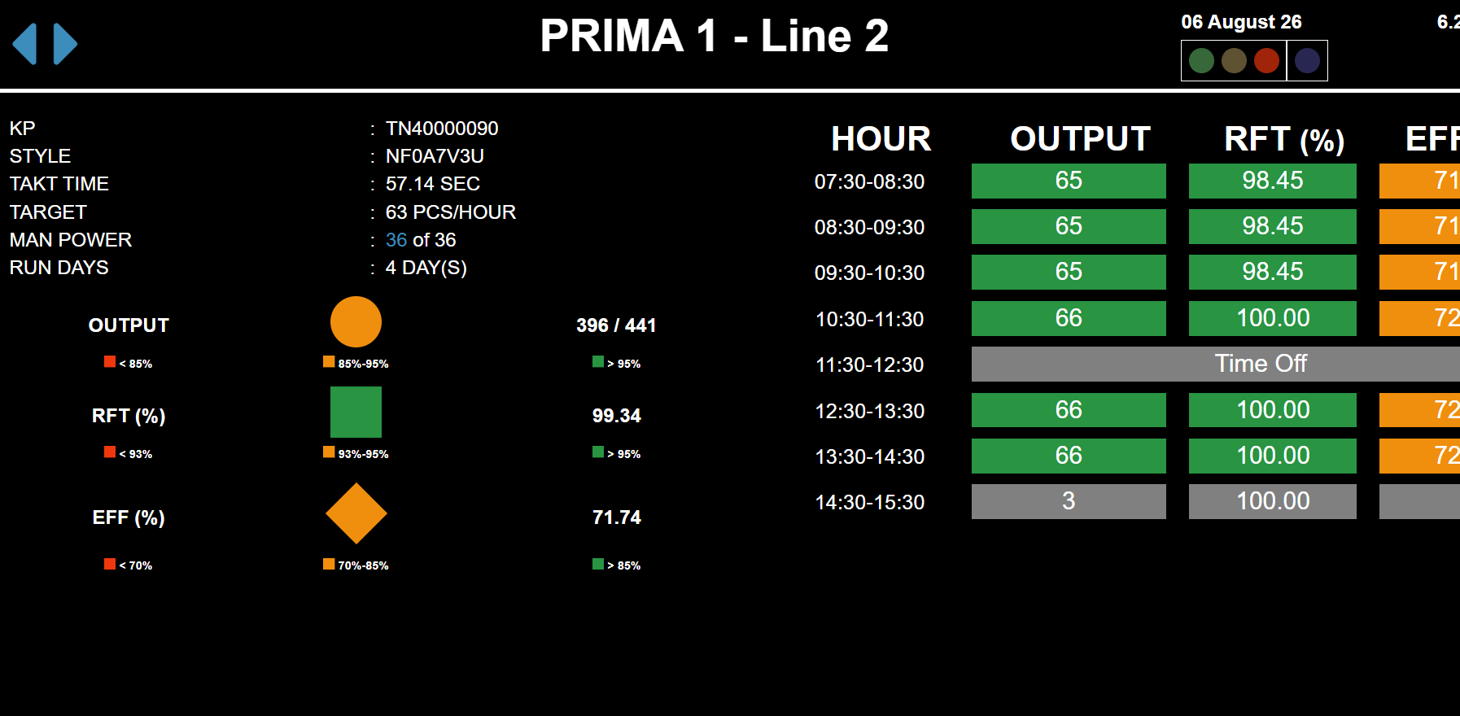

Sheet3
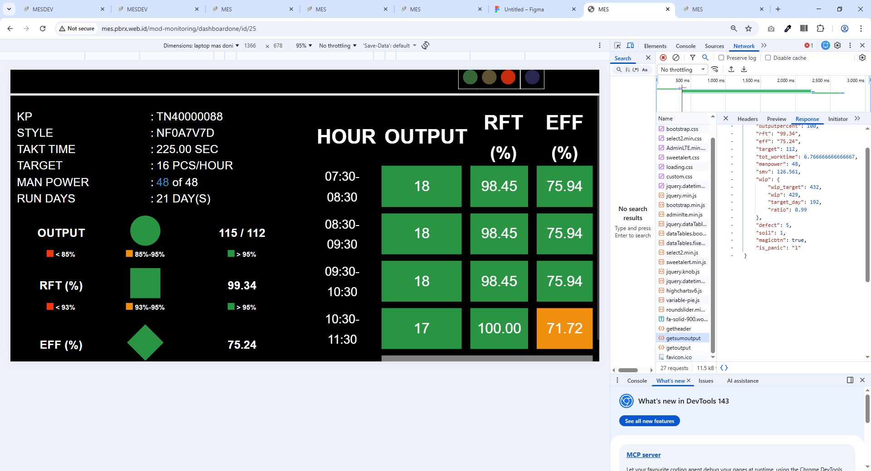

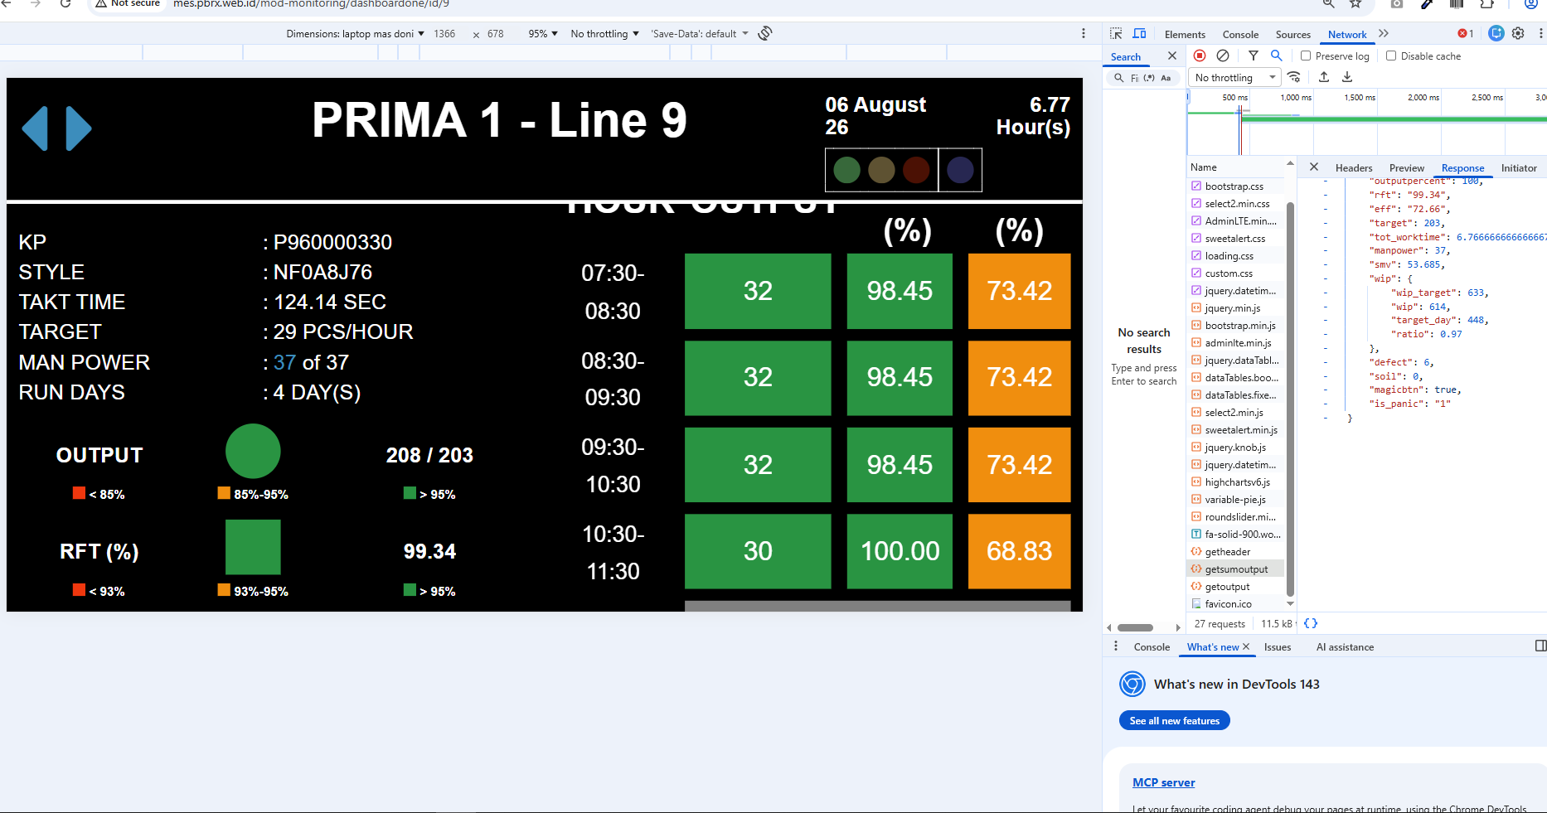

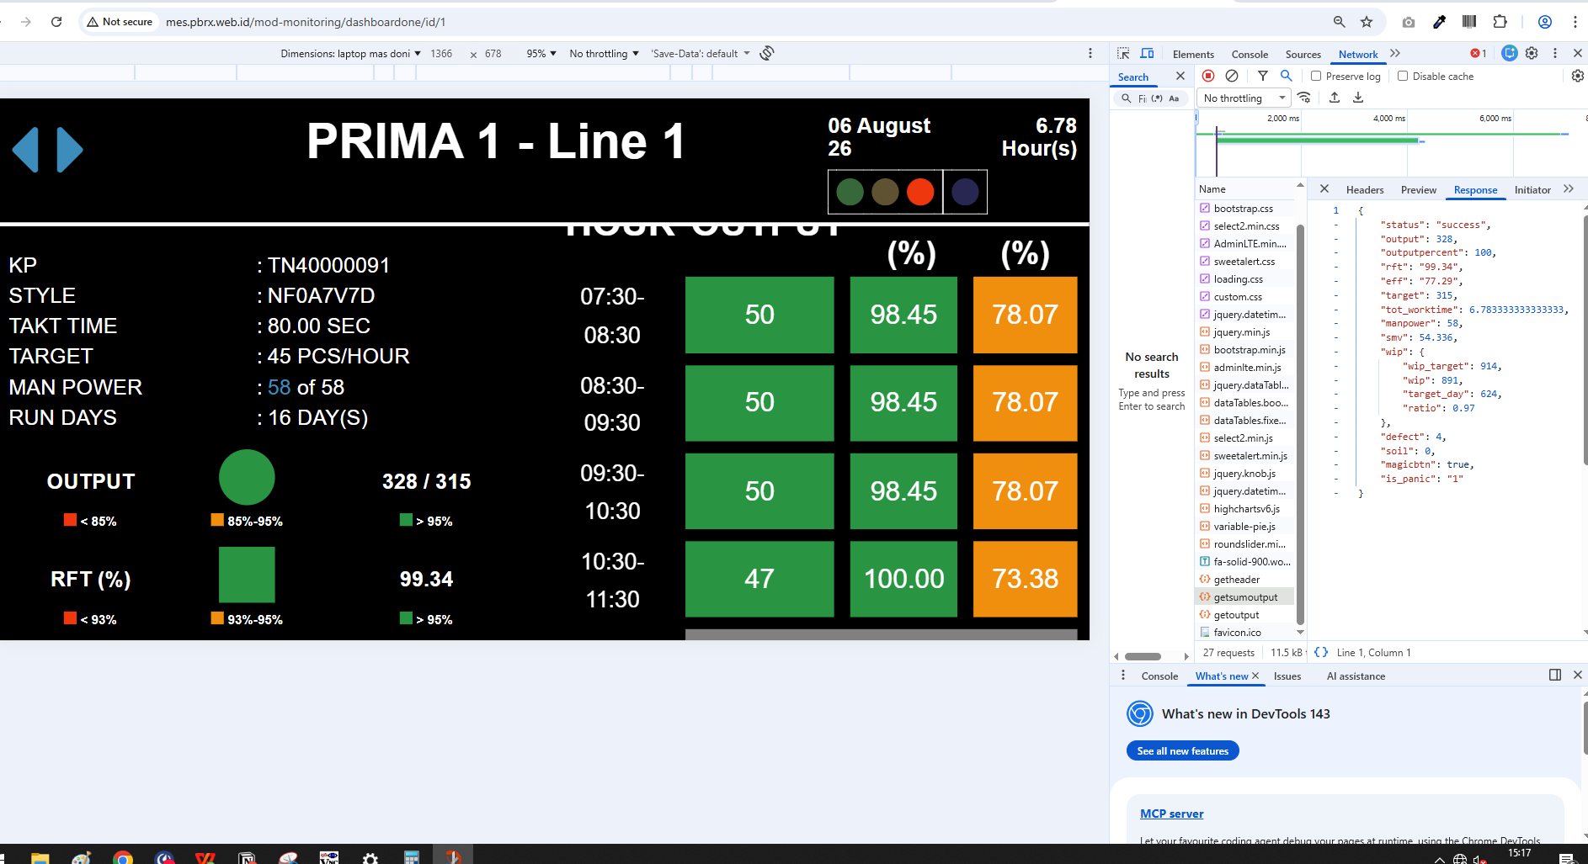

normal
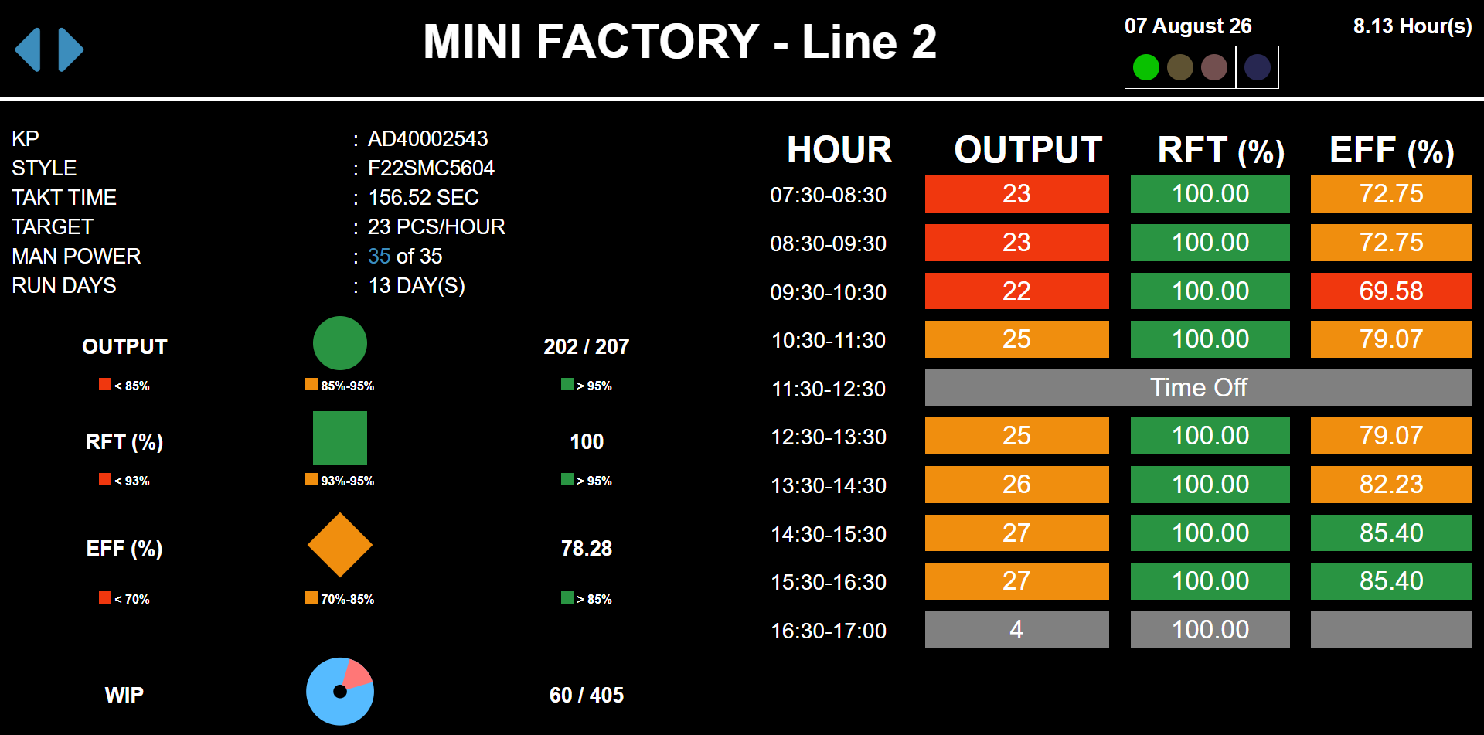
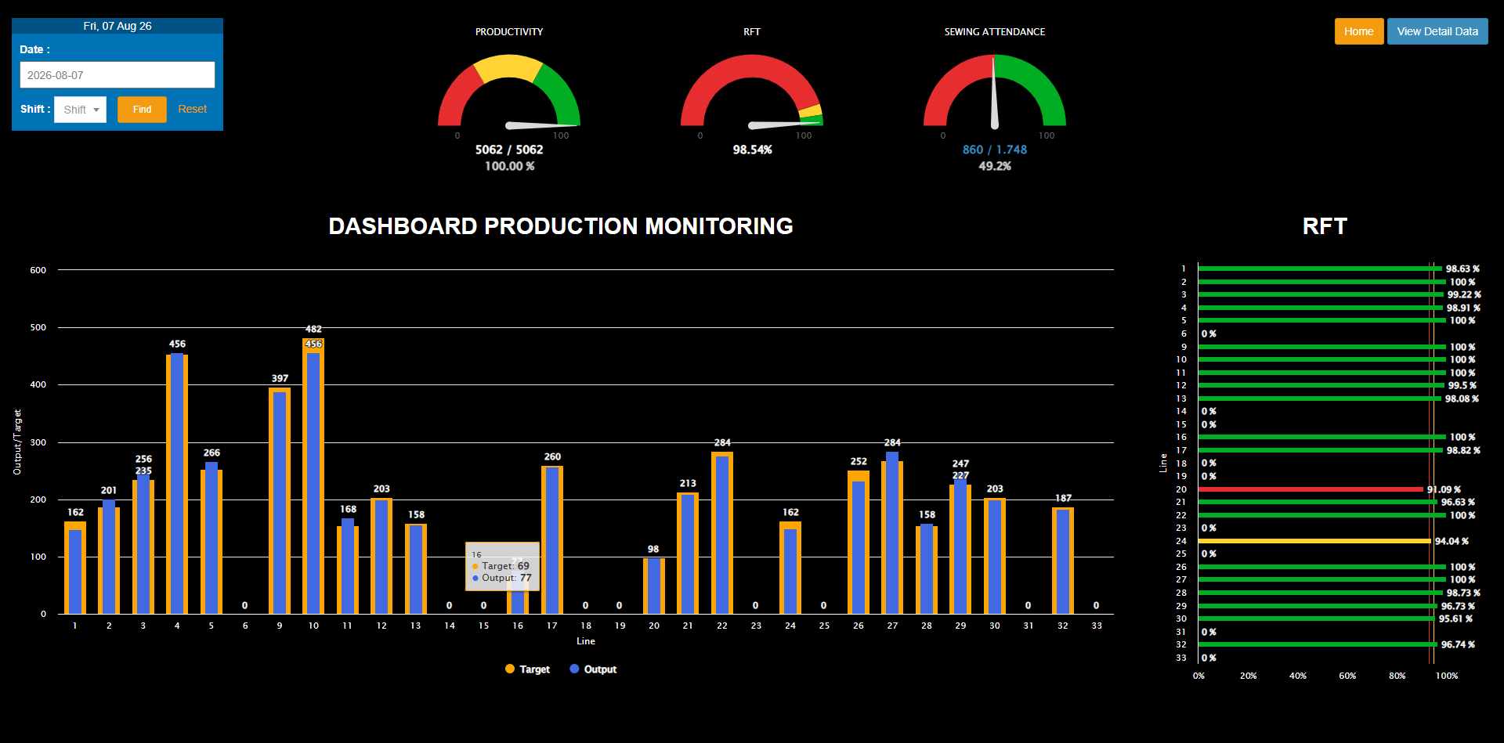

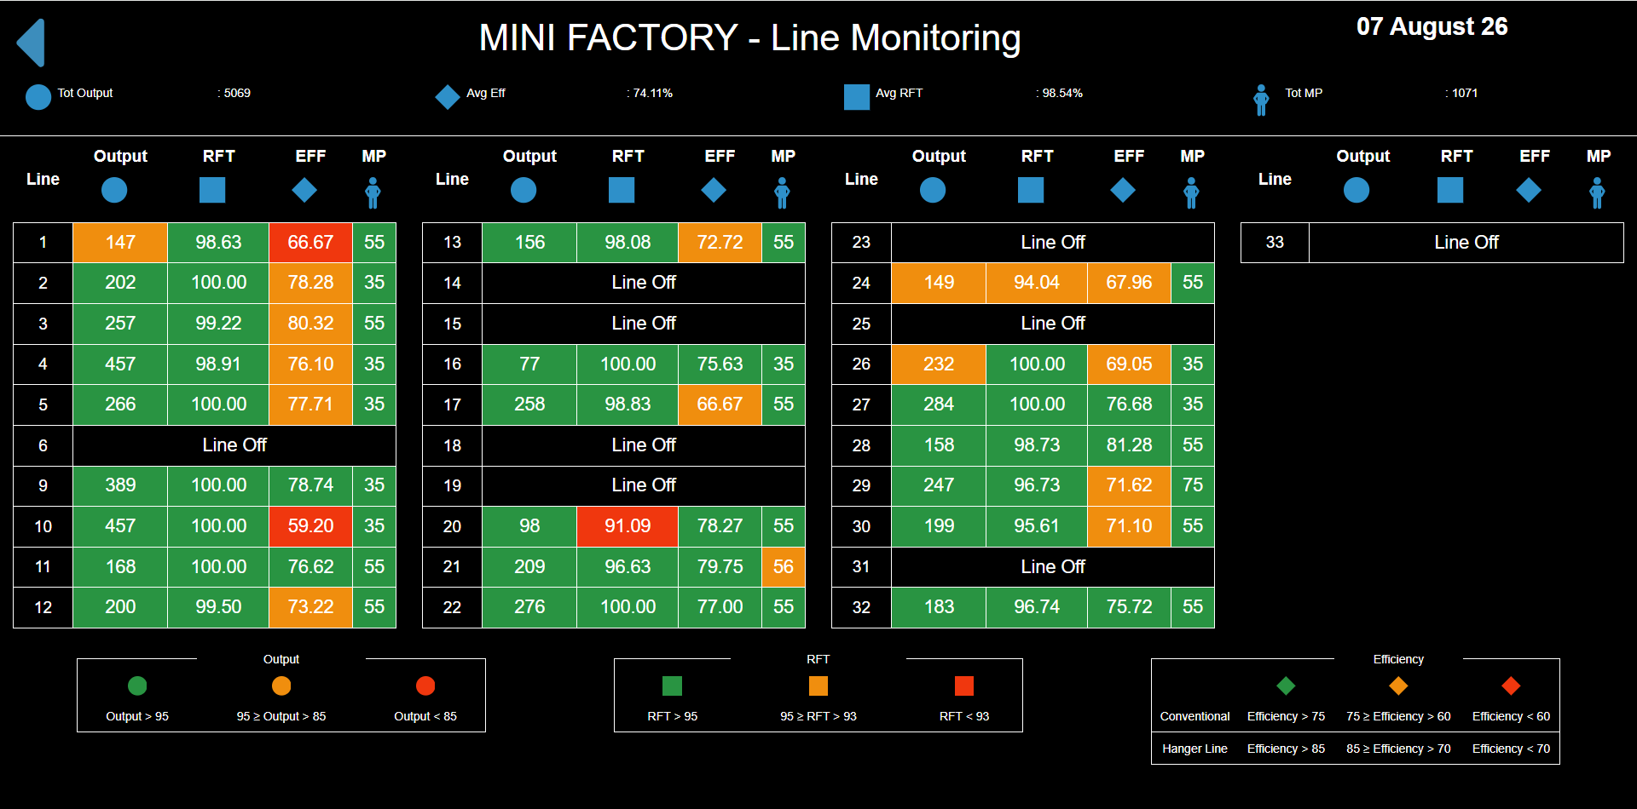

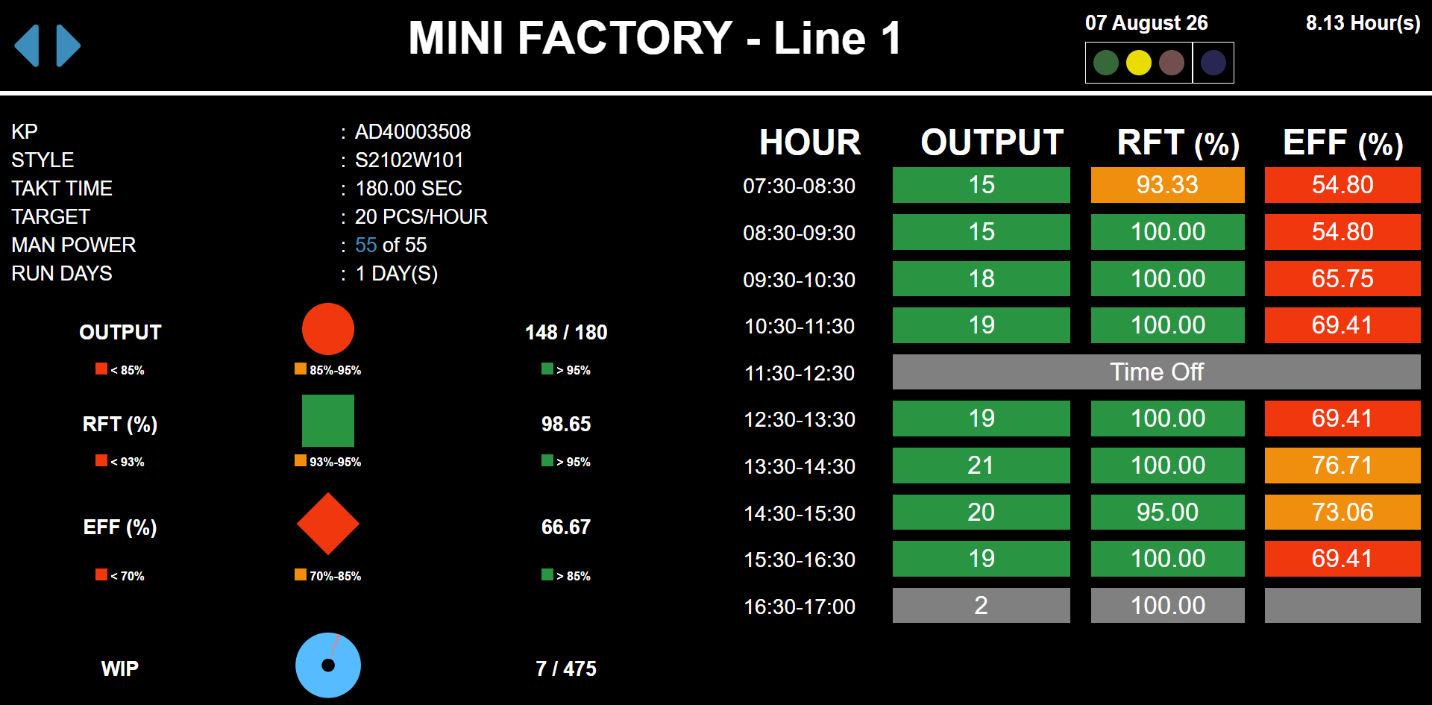

{
"status": "success",
"output": 148,
"outputpercent": 82.22222222222221,
"rft": 98.65,

"eff": "66.67",
"target": 180,
"tot_worktime": 8.133333333333333,
"manpower": 55,
"smv": 120.55,
"wip": {
"wip_target": 475,
"wip": 7,
"target_day": 200,
"ratio": 0.01
},
"defect": 2,
"soil": 0,
"magicbtn": false,
"is_panic": "0"
}

Sheet1
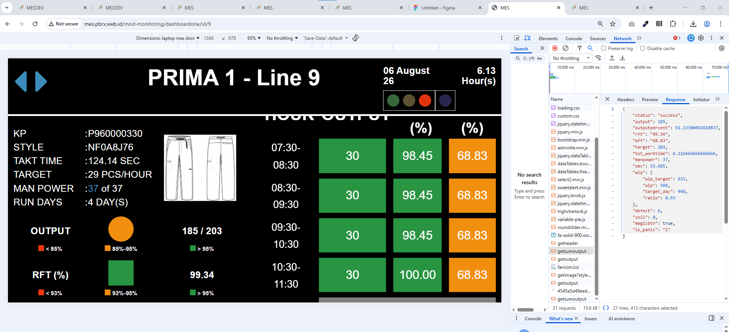

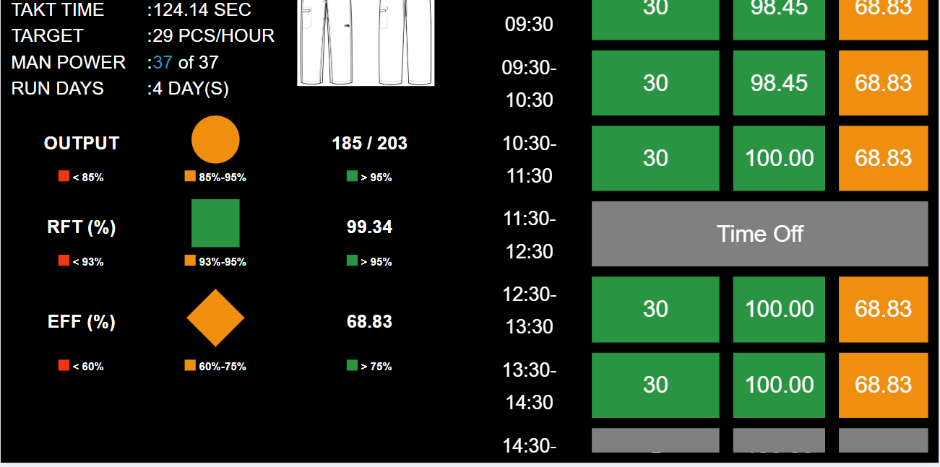

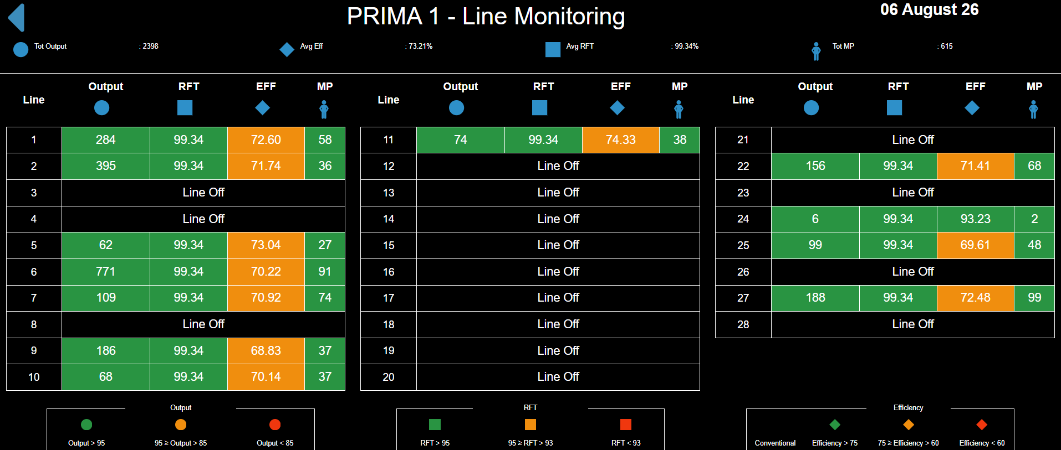

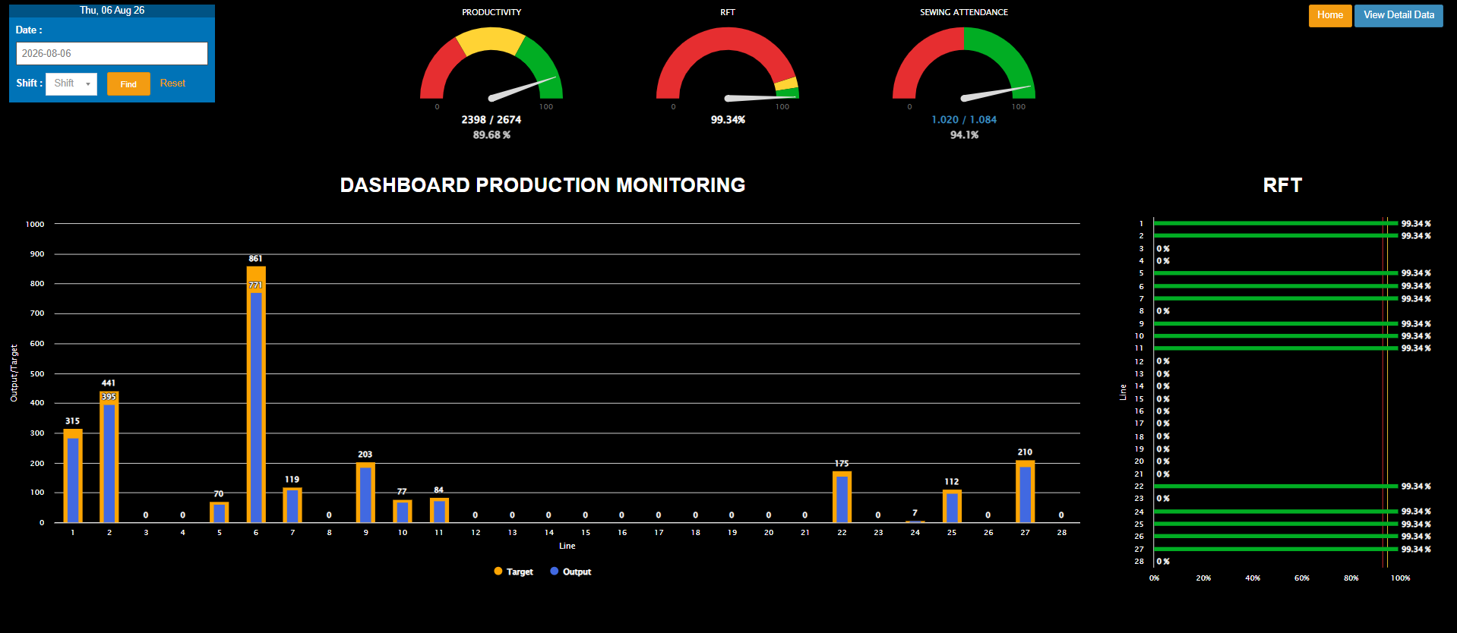

boost
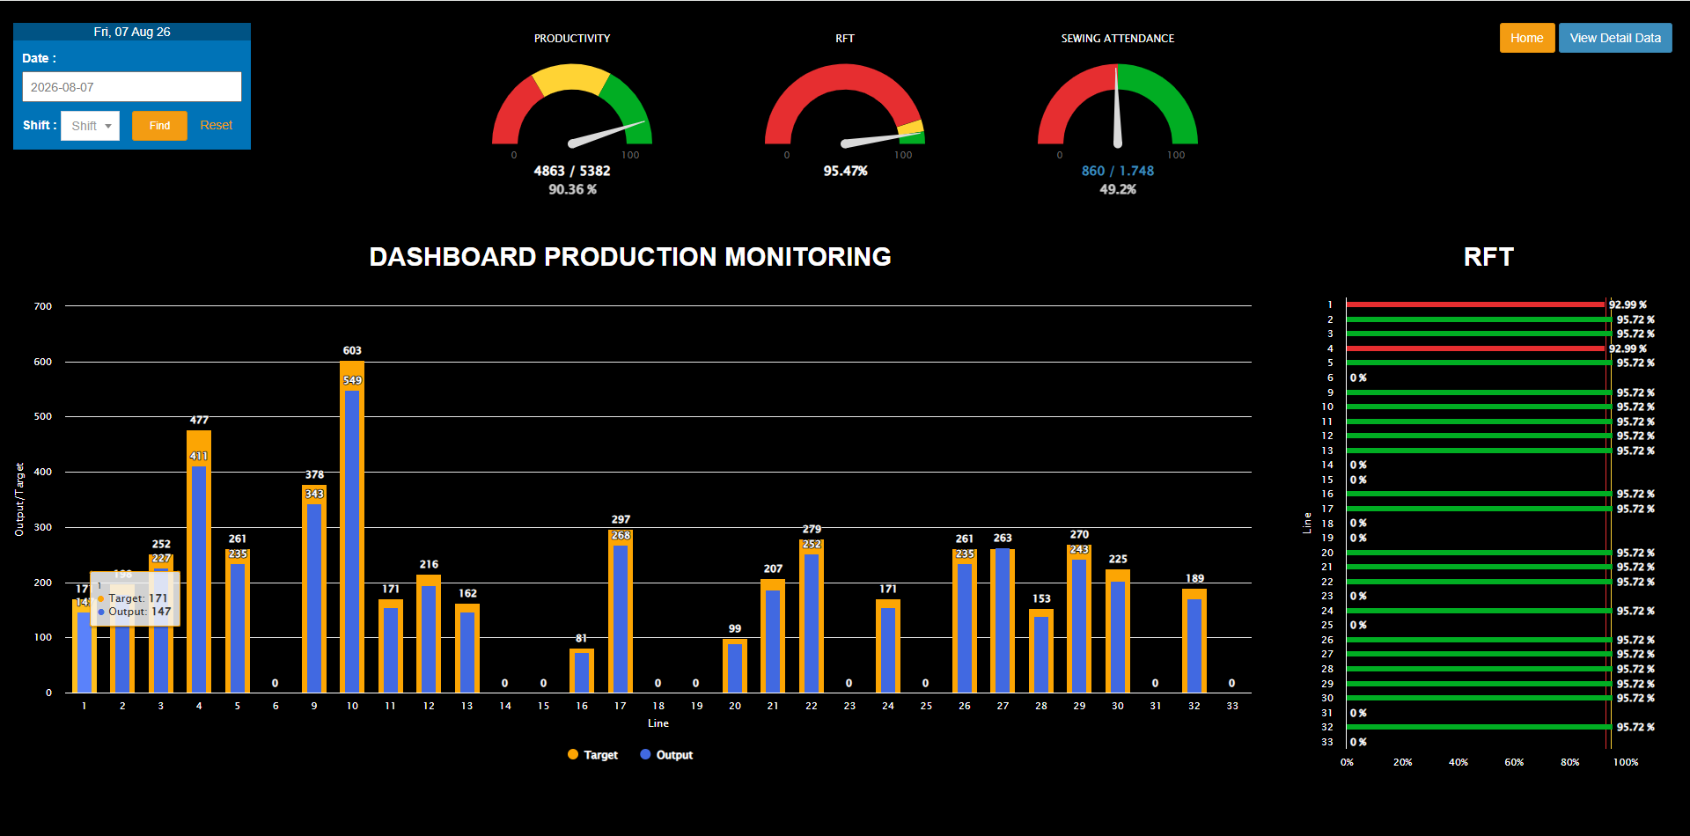

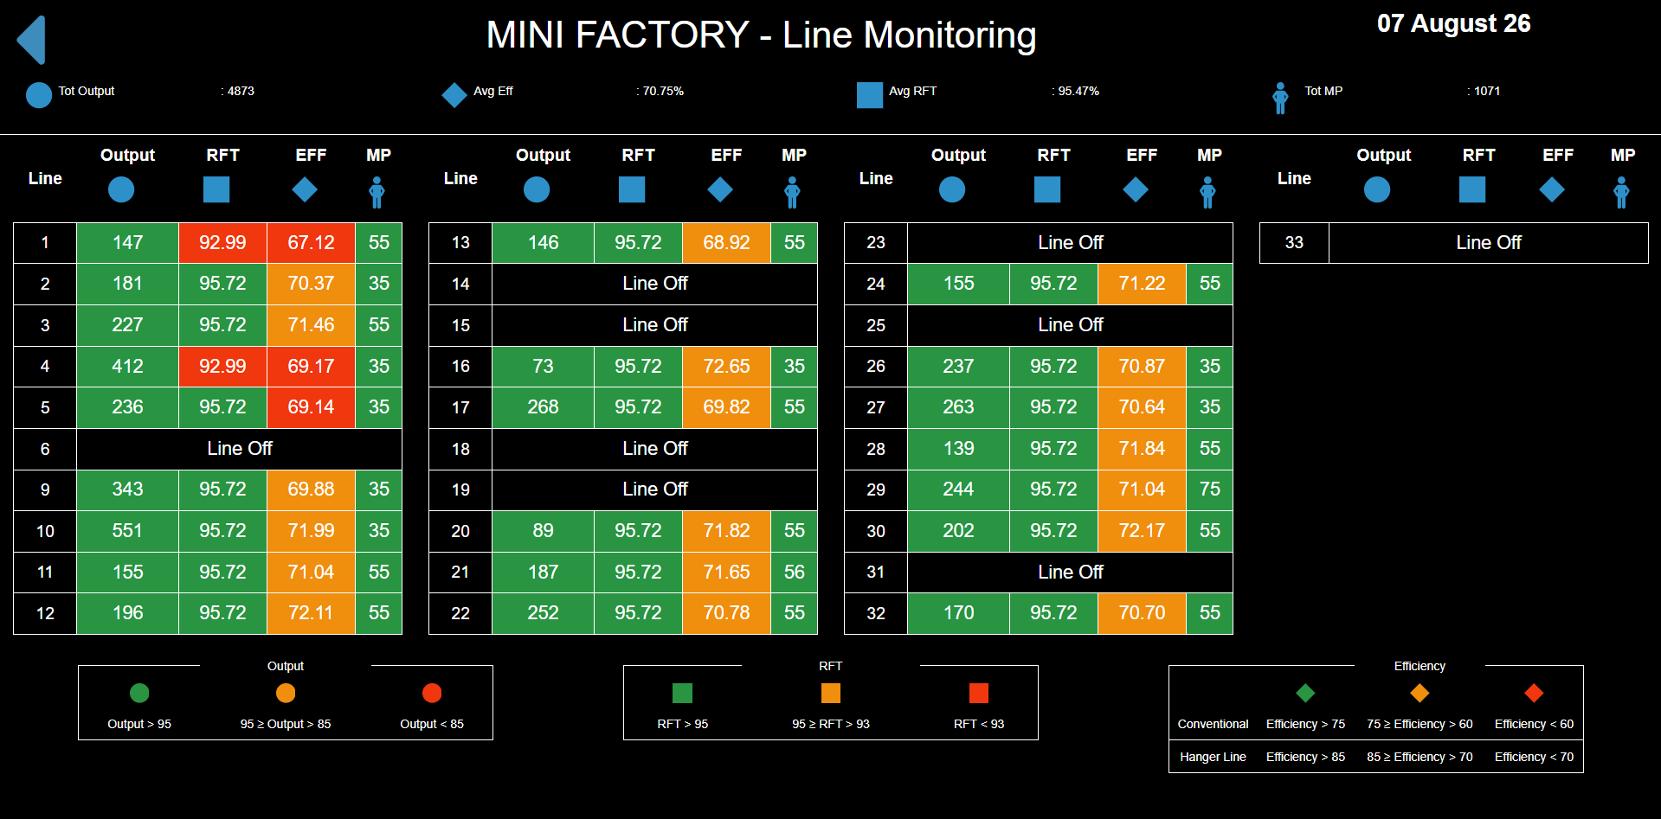

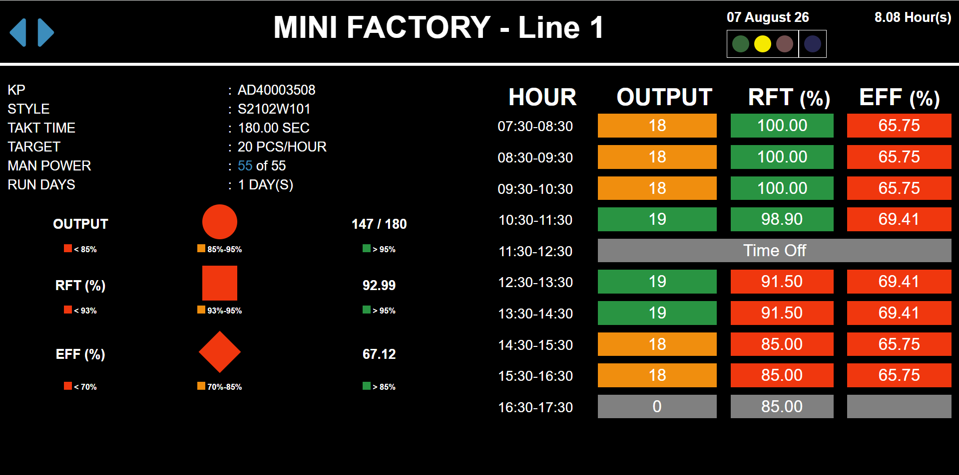

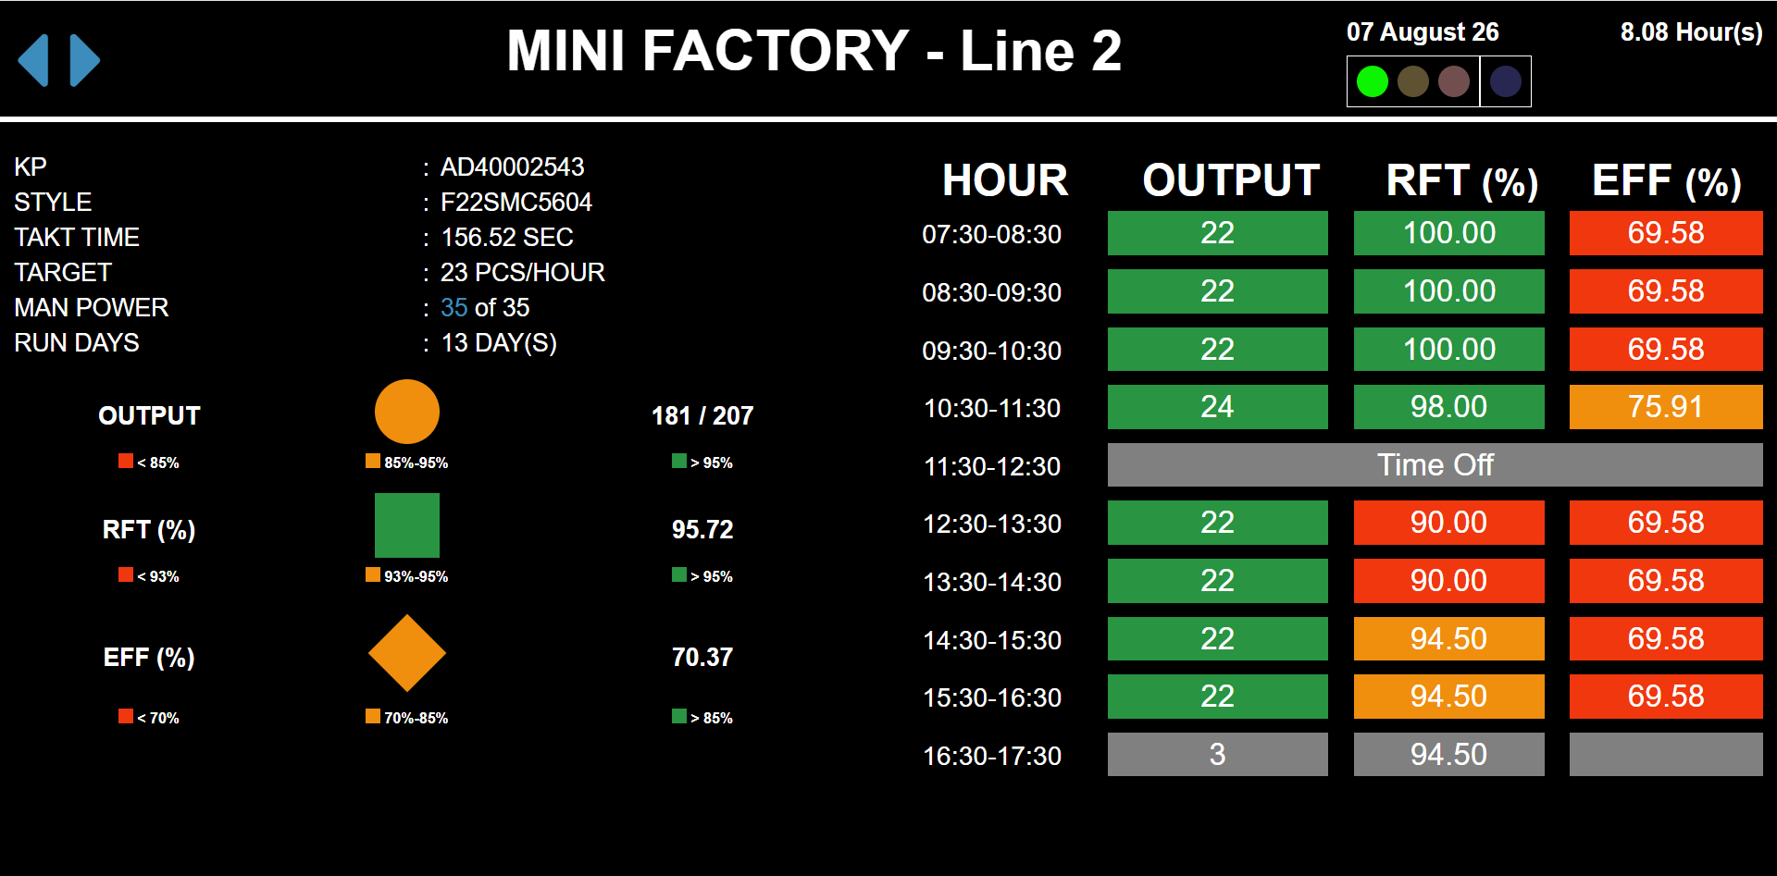

{
"status": "success",
"output": 181,
"outputpercent": 87.43961352657004,
"rft": "95.72",
"eff": "70.37",
"target": 207,
"tot_worktime": 8.1,
"manpower": 35,
"smv": 66.42,
"wip": {
"wip_target": 405,
"wip": 392,
"target_day": 230,
"ratio": 0.97
},
"defect": 0,
"soil": 0,
"magicbtn": true,
"is_panic": "1"

